Fitzroy_Clustering_4_Scaled_KMe
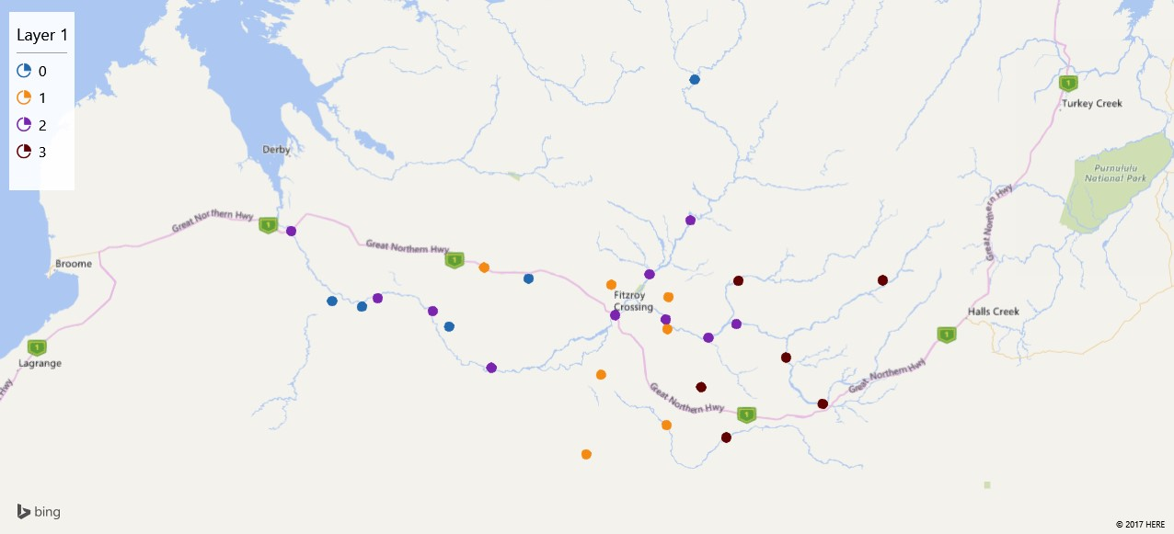
Gauge | Assignments | X Coordinate | Y Coordinate
8020010 | 3 | 127.1708672 | -18.01214323
8020555 | 1 | 125.8875113 | -18.28887995
8020032 | 0 | 125.061652 | -18.00250781
8020060 | 2 | 124.8397198 | -18.5069486
8020062 | 1 | 125.492239 | -18.54720852
8020550 | 2 | 125.5780911 | -18.20997565
8022020 | 3 | 126.3111272 | -18.0151565
3D Maps Tours This workbook has 3D Maps tours available. Open 3D Maps to edit or play the tours.
8020551 | 1 | 125.5538894 | -18.03750164
8021370 | 2 | 126.0258325 | -17.67207701
8022130 | 0 | 126.0508814 | -16.87142361
8022030 | 2 | 126.1325536 | -18.3363787
8022310 | 3 | 126.2380616 | -18.90113831
8021560 | 2 | 126.2989775 | -18.26001763
8020554 | 2 | 125.8792099 | -18.23387436
8021980 | 3 | 126.5944606 | -18.44974064
8020082 | 0 | 124.0686287 | -18.16193132
8020553 | 1 | 125.8947327 | -18.10694602
8021981 | 3 | 126.813064 | -18.71112459
8020070 | 2 | 124.1622407 | -18.11385435
8020020 | 3 | 126.0891907 | -18.61636849
8020552 | 2 | 125.7816749 | -17.97720252
8020050 | 1 | 125.8828167 | -18.83111152
8020031 | 0 | 124.58793 | -18.2739
8020040 | 1 | 124.7961024 | -17.93944988
8020081 | 0 | 123.8914235 | -18.13054146
8020080 | 2 | 123.6474896 | -17.73253209
8020030 | 2 | 124.49058 | -18.18694465
8020061 | 1 | 125.40444 | -18.99527

